Sheet1
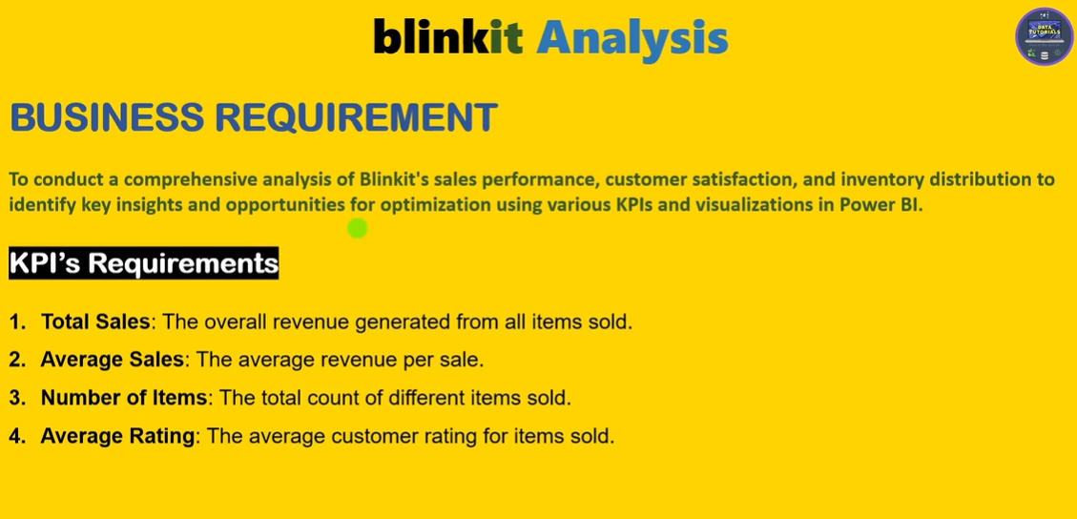

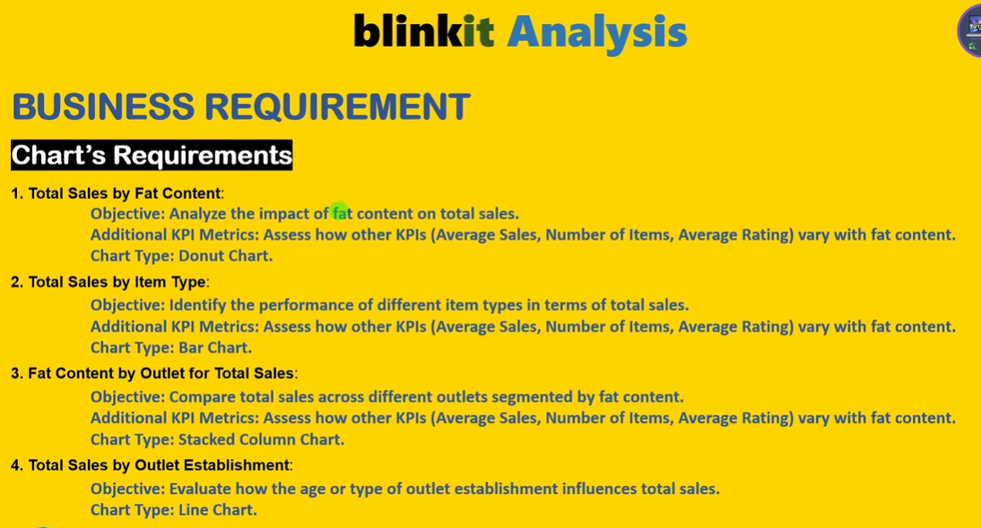

DESIGN SHEET
 | kpi's
Number of items | Sum of Total Sales | Average of Sales | Average of Rating
8523 | 1201681.4928 | 140.99278339 | 3.9658570926

No of Items | Total Sales | Avg Sales | Avg Rating
8523 | $1.20m | $141 | 4.0

Total sales by Fat Content
Row Labels | Sum of Total Sales
Low Fat | $776.3K
Regular | $425.4K

Fat Content by Outlet for total Sales
Sum of Total Sales | Column Labels
Row Labels | Regular | Low Fat
Tier 1 | $121.3K | $215.0K
Tier 2 | $138.7K | $254.5K
Tier 3 | $165.3K | $306.8K

Total sales by items type
ROW LABLEs | Sum of Total Sales
Seafood | $9.1K
Breakfast | $15.6K
Starchy Foods | $21.9K
Others | $22.5K
Hard Drinks | $29.3K
Breads | $35.4K
Soft Drinks | $58.5K
Meat | $59.4K
Health and Hygiene | $68.0K
Baking Goods | $81.9K
Canned | $90.7K
Dairy | $101.3K
Frozen Foods | $118.6K
Household | $136.0K
Snack Foods | $175.4K
Fruits and Vegetables | $178.1K

Total Sales by Outlet Establishment
Row Lables | Sum of Total Sales
2011 | $78.1K
2012 | $130.5K
2014 | $131.8K
2015 | $130.9K
2016 | $132.1K
2017 | $133.1K
2018 | $204.5K
2020 | $129.1K
2022 | $131.5K

SALES OF OUTLET SIZE
Row Lables | Sum of Total Sales
High | $249.0K
Medium | $507.9K
Small | $444.8K

SALES OF OUTLET LOCATION
Row Lables | Sum of Total Sales |  | OUTLET LOCATION | SALES
Tier 3 | $472.1K |  | Tier 3 | $472.1K
Tier 2 | $393.2K |  | Tier 2 | $393.2K
Tier 1 | $336.4K |  | Tier 1 | $336.4K

ALL METRICS BY OUTLET TYPE
Row Lables | Sum of Total Sales
Grocery Store | $151.9K
Supermarket Type3 | $130.7K
Supermarket Type2 | $131.5K
Supermarket Type1 | $787.5K

Row Lables | Average of Total Sales
Grocery Store | $140
Supermarket Type3 | $140
Supermarket Type2 | $142
Supermarket Type1 | $141

Row Lables | Count of Total Sales
Grocery Store | 1083
Supermarket Type3 | 935
Supermarket Type2 | 928
Supermarket Type1 | 5577

Dashboard
blinkit
$1.20m
$141
TOTAL SALES
AVG SALES
8523
4.0
NO OF ITEMS
AVG RATING
 | Total
2011 | $78.1K
2012 | $130.5K
2014 | $131.8K
2015 | $130.9K
2016 | $132.1K
2017 | $133.1K
2018 | $204.5K
2020 | $129.1K
2022 | $131.5K
OUTLET ESTABILESHMENT

India's Last Minute App
FILTER PANEL

FAT CONTENT
ITEM TYPE
OUTLET SIZE
OUTLET LOCATION
 | Total
High | $249.0K
Medium | $507.9K
Small | $444.8K
 | Total
Low Fat | $776.3K
Regular | $425.4K
 | Total
Seafood | $9.1K
Breakfast | $15.6K
Starchy Foods | $21.9K
Others | $22.5K
Hard Drinks | $29.3K
Breads | $35.4K
Soft Drinks | $58.5K
Meat | $59.4K
Health and Hygiene | $68.0K
Baking Goods | $81.9K
Canned | $90.7K
Dairy | $101.3K
Frozen Foods | $118.6K
Household | $136.0K
Snack Foods | $175.4K
Fruits and Vegetables | $178.1K

OUTLET TYPE
FAT BY OUTLET
 | Regular | Low Fat
Tier 1 | $121.3K | $215.0K
Tier 2 | $138.7K | $254.5K
Tier 3 | $165.3K | $306.8K
 | Total
Grocery Store | $151.9K
Supermarket Type3 | $130.7K
Supermarket Type2 | $131.5K
Supermarket Type1 | $787.5K
 | Total
Grocery Store | $140
Supermarket Type3 | $140
Supermarket Type2 | $142
Supermarket Type1 | $141
 | Total
Grocery Store | 1083
Supermarket Type3 | 935
Supermarket Type2 | 928
Supermarket Type1 | 5577

Total sales
Avg Sales
No of Items

items
FAT CONTENT
ITEM TYPE

 | Total
Low Fat | $776.3K
Regular | $425.4K
 | Total
Seafood | $9.1K
Breakfast | $15.6K
Starchy Foods | $21.9K
Others | $22.5K
Hard Drinks | $29.3K
Breads | $35.4K
Soft Drinks | $58.5K
Meat | $59.4K
Health and Hygiene | $68.0K
Baking Goods | $81.9K
Canned | $90.7K
Dairy | $101.3K
Frozen Foods | $118.6K
Household | $136.0K
Snack Foods | $175.4K
Fruits and Vegetables | $178.1K

FAT BY OUTLET
 | Regular | Low Fat
Tier 1 | $121.3K | $215.0K
Tier 2 | $138.7K | $254.5K
Tier 3 | $165.3K | $306.8K

